Print Page 1
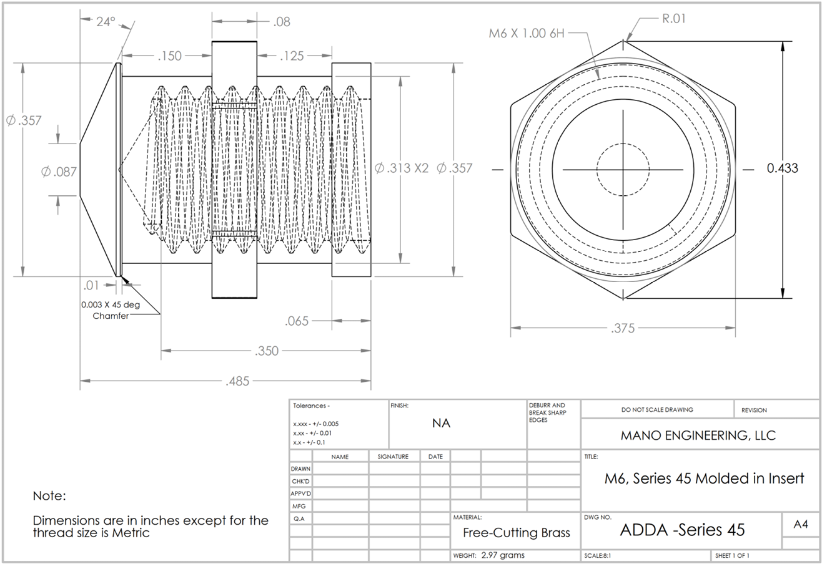
9
3
13
11
10

7

6

5
2
12

14
8

15a
15b
1

4

Tolerance Table
